Instructions
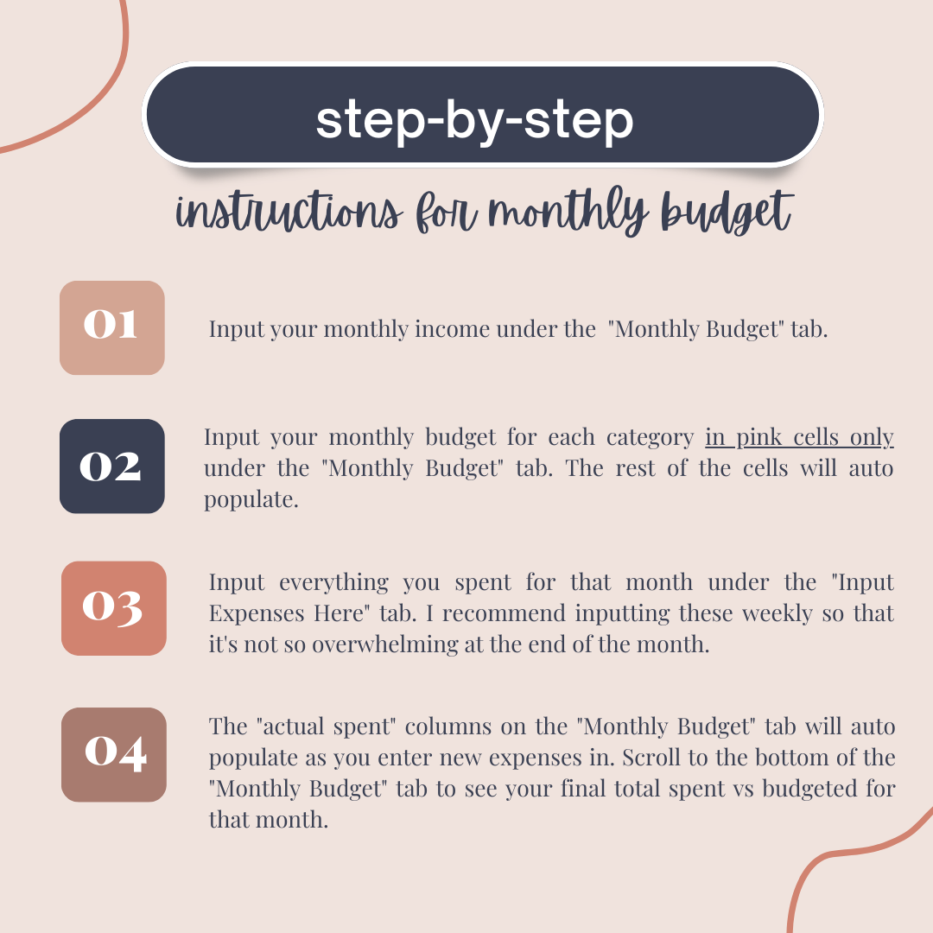

Reminder: Only type in pink cells

